Growth Monitoring
Rubber For the immature growth monitoring we are doing March, sept girth senses records. For mature growth - yeaely pannel position records available at FMU

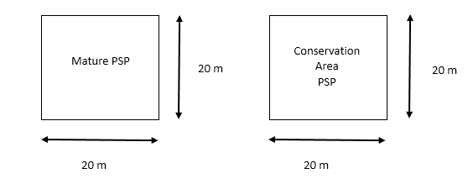 Conservation Area All available ecosystems are marked in the estate & divisional maps. And necessary permanent sampling plots (PSP) are established in order to monitor. All PSPs also marked in the maps. Sampling Designs Permanent sampling plots (PSPs) have been demarcated and identified those areas in the estate maps. This girth measuring is required to carry out annual basis. Biodiversity assessment should be carried out by an expert or team of experts once in 06 years. Assessment report will be kept in the estate office for reference. Layout of sample 20 m X 20 m are the dimensions of the PSP. PSPs are demarcated by white concrete posts which has yellow band on top. Data Collection Data is collected annually by field officers under executive supervision from above PSPs.

Actual Records are available at Estate Level

